1. Title Page
Project Name: Instacart Grocery Basket Analysis
Date: 25.07.2025
Analyst Name: Thomas Efstathiades
Data Source: The Instacart Online Grocery Shopping
Dataset 2017”, Accessed from www.instacart.com/datasets/grocery-shopping-2017
via Kaggle

Contents:
Population Flow
Consistency checks
Wrangling steps
Column derivations
Visualizations
Recommendations

2. Population Flow
 |  |  |  |  |  |  |  |  |  | Title page

Population flow

Exclusion flag
Condition: max_order < 5
Obervations to be removed: 5 919 493
Final total count of order_products_all: 24 437 460

 |  |  | 32 434 490 |  |  |  |  | 206 209
3 421 083 |  |  |  |  |  | 49 693

 |  |  |  |  |  |  |  |  | 194 950
 | 3 214 874 |  |  | 32 434 490 |  |  | 49 672

Orders_products_combined
Orders_products_merged
Orders_products_all

Total:
Total:
Total:
 |  | 30 356 420 |  |  | 32 435 060 |  |  | 30 356 960

1.) The grey boxes in the first row of the population flow represent the original data sets as they were when you downloaded them. In the Total fields you need to add the count of the rows when you imported the data set into Jupyter.
2.) The second row of boxes (coloured) represents the data sets after you manipulated them, e.g., removed missing values and duplicates. In the Total fields you need to add the count of the rows after conducting these operations. This offers a visual oveview of how the data flows throughout the data consistency checks.
3.) The third row, where also the arrows are coloured, represents the merges you performed between the datasets. In the Total fields you need to add the count of the rows in the merged datasets, so that you end up with the final dataset (in the red box). Keep in mind the final dataset should be without exclusions (based on the exclusion flag).

3. Consistency checks
 |  |  |  | Title page
Consistency checks

Dataset | Missing values | Missing values treatment | Duplicates
orders | 206209 missing values | dropped from the original data | No duplicates
products | 16 missing values | created a cleaned copy without NaN | 5 duplicates → cleaned copy without dups
orders_products_prior | No missing values | n.a. | No duplicates
customers | 11259 missing values | created a cleaned copy without NaN | No duplicates

4. Wrangling steps
 |  |  |  | Title page
Wrangling steps

Columns dropped | Columns renamed | Columns' type changed | Comment/Reason
eval_set' column | order_dow' to 'order_day_of_week' |  | order_day_of_week' is more intuitive
Surname’ | Surnam’ to ‘Surname’ |  | 'Surname’ for privacy reason/protection (PII data)
Exclusion' |  |  | Exclusion’: just to filter low-activity customers
 | 1st source indicator → ‘_merge1’ |  | renaming as a prerequisite for the 2nd join
 | 2nd source indicator → ‘_merge2’ |  | renaming as a prerequisite for the 3rd join
 | 3rd source indicator → ‘_merge3’ |  | renaming to fit to the other indicators

5. Column derivations
 |  |  |  | Title page

Column derivations and aggregations

In this tab you should add tables below that the frequences of flags/label variables that you produced after deriving them. NB: don't do this for continuous variables, only for flags.
Dataset | New column | Column/s it was derived from | Conditions
Orders_products_merged | Busiest days’ | order_day_of_week’
Orders_products_merged | busiest_period_of_day’ | order_hour_of_day’
Orders_products_merged | max_order' | order_number’
Orders_products_merged | loyalty_flag' | max_order'
Orders_products_merged | average_price' | prices’
Orders_products_merged | order_frequency' | days_since_prior_order'
Orders_products_all | Region’ | STATE’
Orders_products_all | exclusion_flag' | order_number'
Orders_products_all | Exclusion' | exclusion_flag'
Orders_products_all | customer_profile' | Age’,’income’,'n_dependants',’product_name’

 | Frequency table of flags
 | Busiest days Regularly busy 12101855 Two busiest days 11093397 Two slowest days 7161747 Name: count, dtype: int64

 | busiest_period_of_day
 | Most orders 19791226
 | Average orders 9358534
 | Fewest orders 1207239
 | Name: count, dtype: int64

 | loyalty_flag Regular customer 15095623 Loyal customer 10105134 New customer 5156200 Name: count, dtype: int64

 | average_price Low spender 20363716 High spender 9845471 No spending 147812 Name: count, dtype: int64

 | order_frequency Frequent customer 19060181 Regular customer 6061501 Non-frequent customer 5235275 Name: count, dtype: int64

 | exclusion_flag Regular customer 16634461 No orders 7803003 Low-activity customer 5919493 Name: count, dtype: int64

 | customer_profile Low profile customer 13734199 Other 9357610 High profile customer 5542 Name: count, dtype: int64

6. Visualizations
 |  |  |  |  |  | Title page

Visualisations

In this tab you should include all the visualtions from Exercises 4.9 and 4.10, alongside the questions from the project brief that they answer. Include any commentary on the relationship between different variables.

Collection of visuals done during exercises & tasks of achievement 4

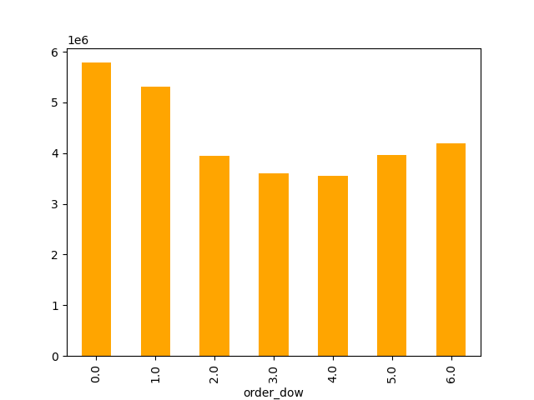
Ad Question 1a → The busiest hours of the |  | Ad Question 1b → The busiest days of the
day are as follows: |  | week are as follows:

 |  |  |  |  | Ad Question 2 →

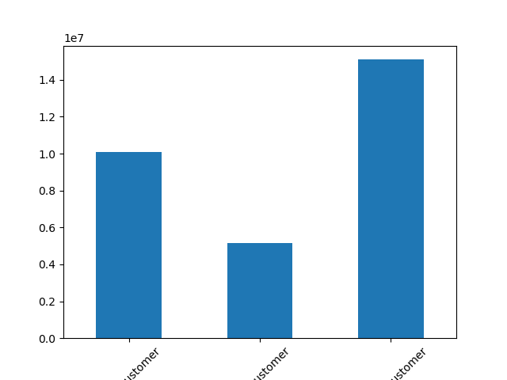
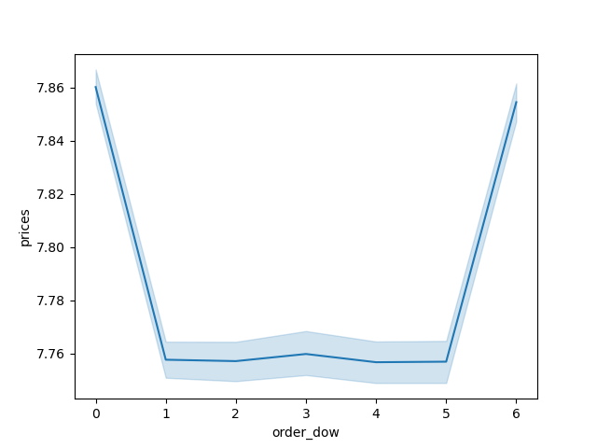
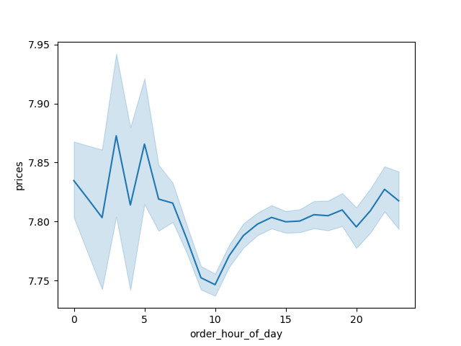
Ad Question 5 → Customer status distribution:
 |  |  |  |  |  | Comment: Prices are lowest between:
 |  |  |  |  |  | A) Ad Question 2 → 8 – 12 am
 |  |  |  |  |  | B) Sunday – Thursday
 |  |  |  | loyalty_flag |  |  | A) |  | B)
 |  |  |  | Regular customer 15095623
 |  |  |  | Loyal customer 10105134
 |  |  |  | New customer 5156200
 |  |  |  | Name: count, dtype: int64

 |  |  | Ad Question 4 → Frequency of orders (average order & according to customer profiles) by department:
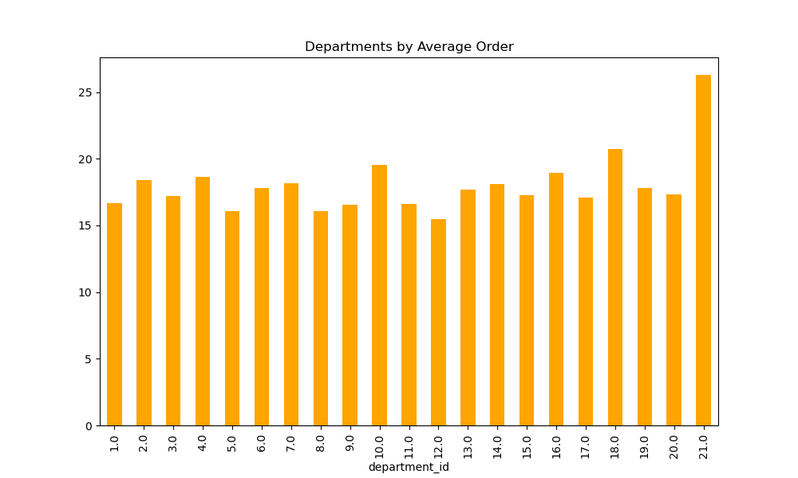

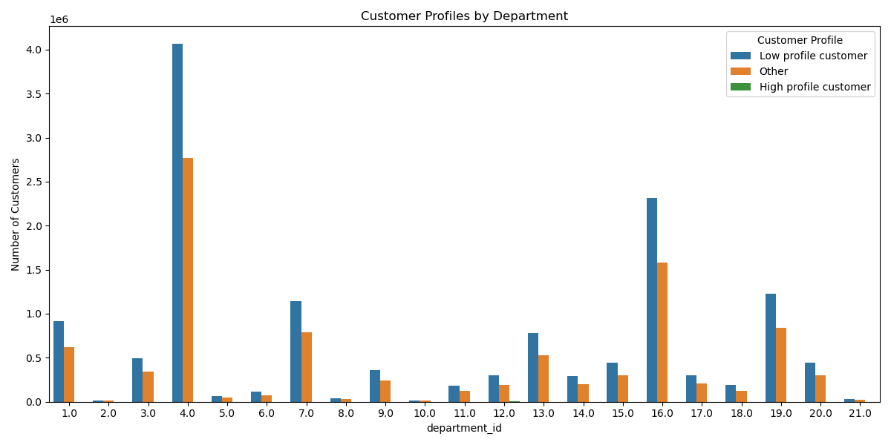

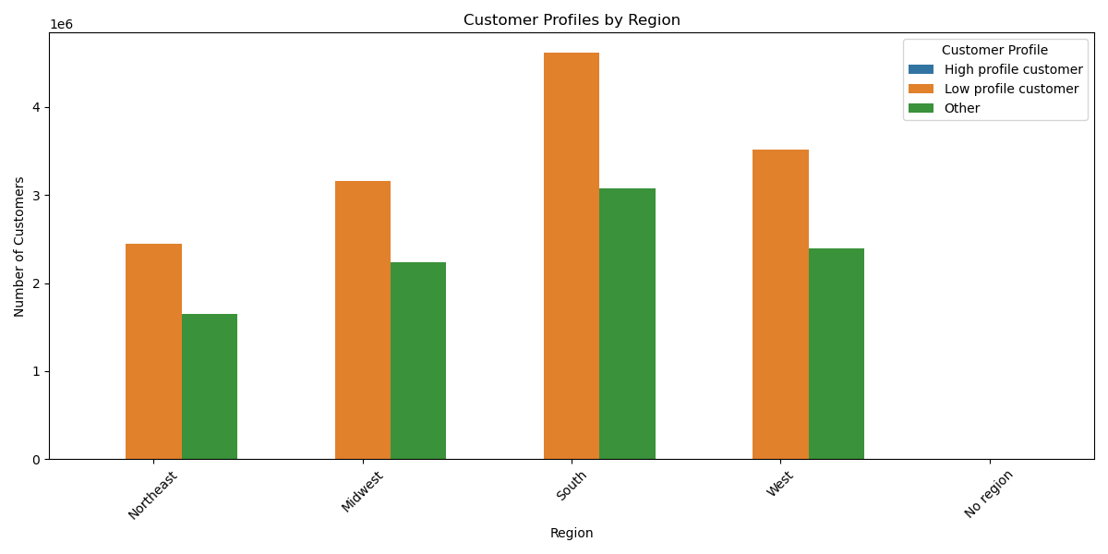
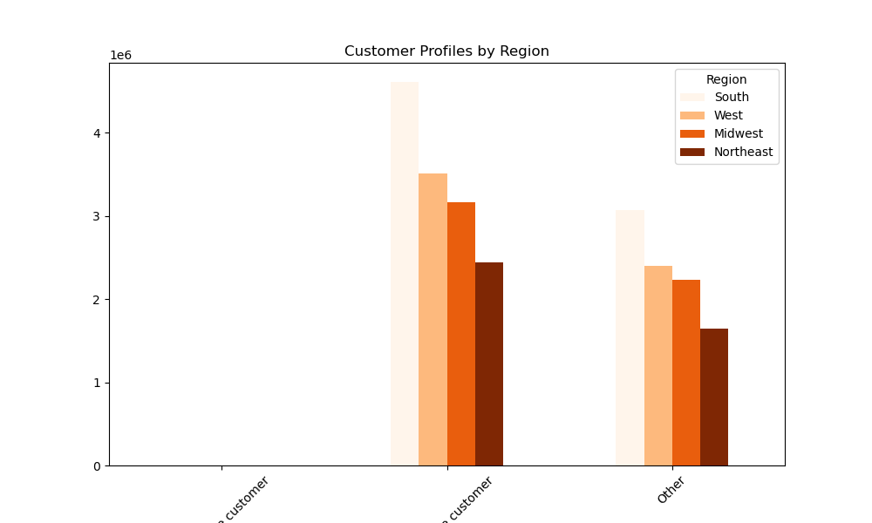

Ad Question 10 → | Option 1 |  |  |  | Option 2
Customer profile by region:

 |  |  |  |  |  |  |  | customer_profile | High profile customer | Low profile customer | Other
 |  |  |  |  |  |  |  | Region
 |  |  |  |  |  |  |  | Northeast | 927 | 2442853 | 1649770
 |  |  |  |  |  |  |  | Midwest | 1357 | 3163420 | 2234922
 |  |  |  |  |  |  |  | South | 1846 | 4612645 | 3074966
 |  |  |  |  |  |  |  | West | 1412 | 3515281 | 2397952
 |  |  |  |  |  |  |  | No region | 0 | 0 | 0

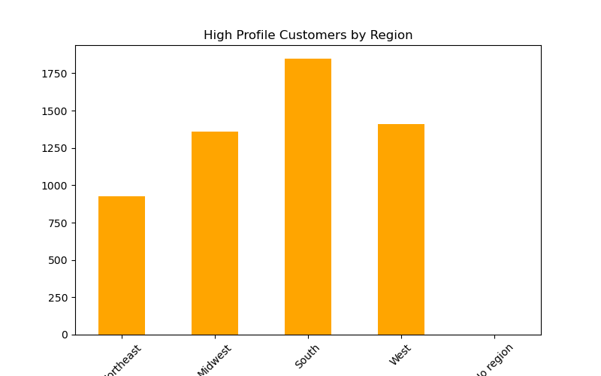

 |  |  |  |  | High profile customers
 |  |  |  |  | Region
 |  |  |  |  | South 1846
 |  |  |  |  | West 1412
 |  |  |  |  | Midwest 1357
 |  |  |  |  | Northeast 927
 |  |  |  |  | No region 0
 |  |  |  |  | Name: count, dtype: int64

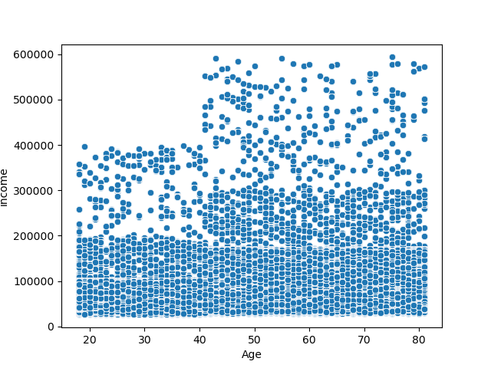

Ad Question 8 + 9 →
Relationship/correlation between income and gge:

7. Recommendations
 |  |  |  |  |  | Title page

Recommendations

In this tab you should include any recommendations you would made to Instcart in terms of their marketing strategy based on the questions posed in the brief. Every key question has been covered in the Tasks of the Exercises - here you need to add an item - a visualisation or table/crosstable that is showing the answer in the data, acompanied by a comment from you. Please, list the questions below and add the answer underneath.

Key Questions
Key Question 1 | What’s the busiest days of the week and hours of the day (i.e., the days and times with the most orders) in order to schedule ads at times when there are fewer orders ?

 | Answer:
 | Saturday & Sunday (0, 1) are the busiest days of the week !
 | While prices are highest Friday & Saturday !

 | 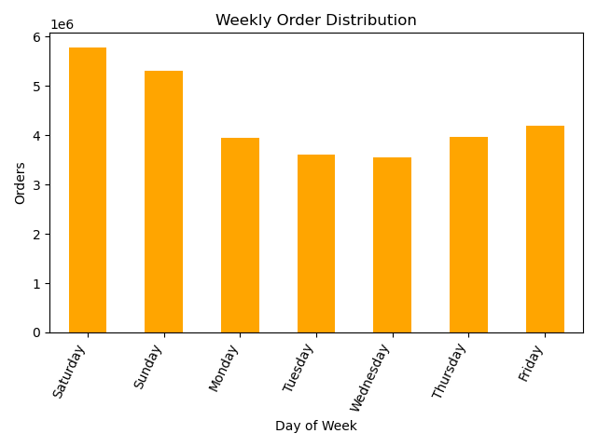 | 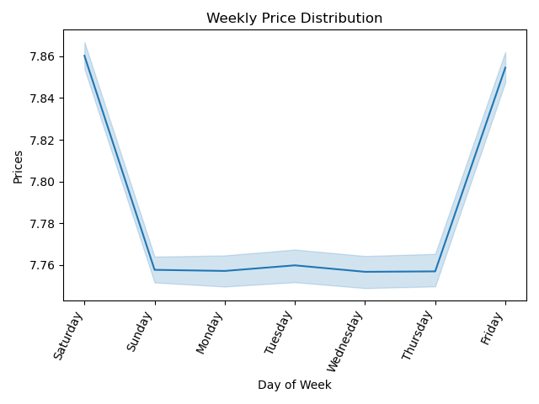
Key Question 2 | Are there particular times of the day when people spend the most money ?
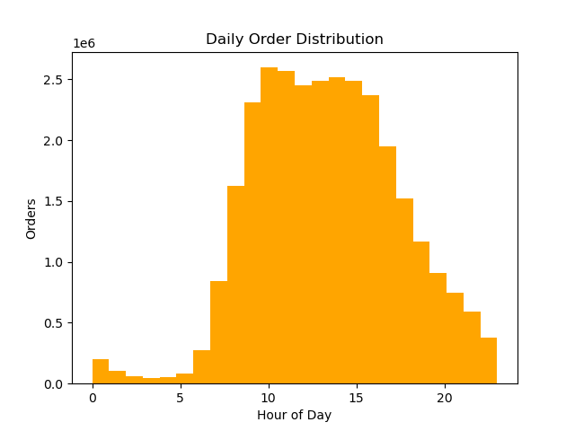
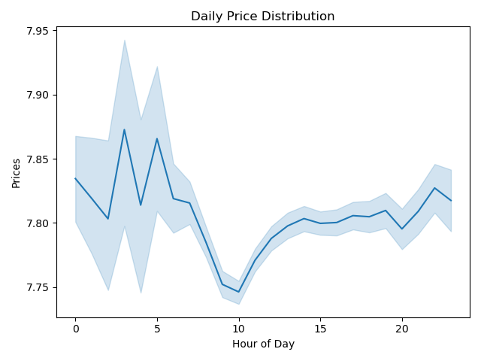
 | Ad Question 2 → prices drop during the busiest period of the day !
 | Answer: busiest_period_of_day Most orders 19791226 Average orders 9358492 Fewest orders 1207239 Name: count, dtype: int64

Key Question 3 | What’s simpler price range groupings to help direct their efforts ?

 | Answer:
 | E.g. by creating a new variable consisting of certain price ranges using the loc() function:
 | price_range_loc Mid-range product 21860868 Low-range product 10126324 High-range product 417678

Key Question 4 | Which departments have the highest frequency of product orders ?

 | Answer:
 | 1st chart: Average order by department
 | → department 21 has by far the highest average order but is
 | linked to ‘missing’, hence no further specification yet !
 | While the 2nd highest average order goes to department 18
 | which means ‘babies’ products/items

 | 2nd chart: Frequency of orders according to customer profile by department
 | → department 4 which is linked to ‘produce’ has by far the highest number
 | of customers

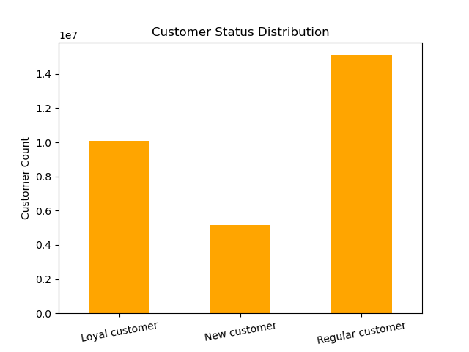
Key Question 5 | What’s the distribution among users in regards to their brand loyalty (i.e., how often do they return to Instacart) ?

 | Answer:
 | There’s quite a few loyal customers !

 | loyalty_flag
 | Regular customer 15095623
 | Loyal customer 10105134
 | New customer 5156200

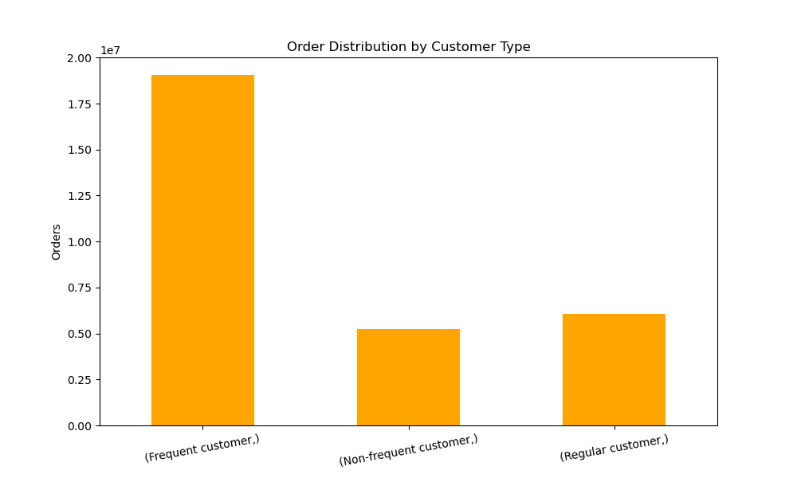
Key Question 6

 | Answer:
 | Most customers are frequent customers !

 | order_frequency Frequent customer 19060181 Regular customer 6061501 Non-frequent customer 5235275

Key Question 7 | Are there differences in ordering habits based on a customer’s region ?
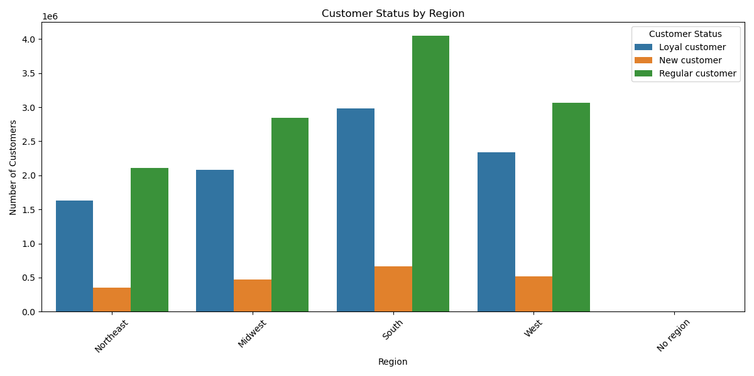
 | Answer:
 | Loyal customers are defined by maximum orders of above 40
 | → most of the customers are based in the South, regardless of customer status !

 | loyalty_flag Loyal customer New customer Regular customer Region Northeast 1723354 860348 2496491 Midwest 2197945 1148530 3373367 South 3148951 1618027 4786666 West 2467914 1247830 3624145 No region 566970 281465 814954

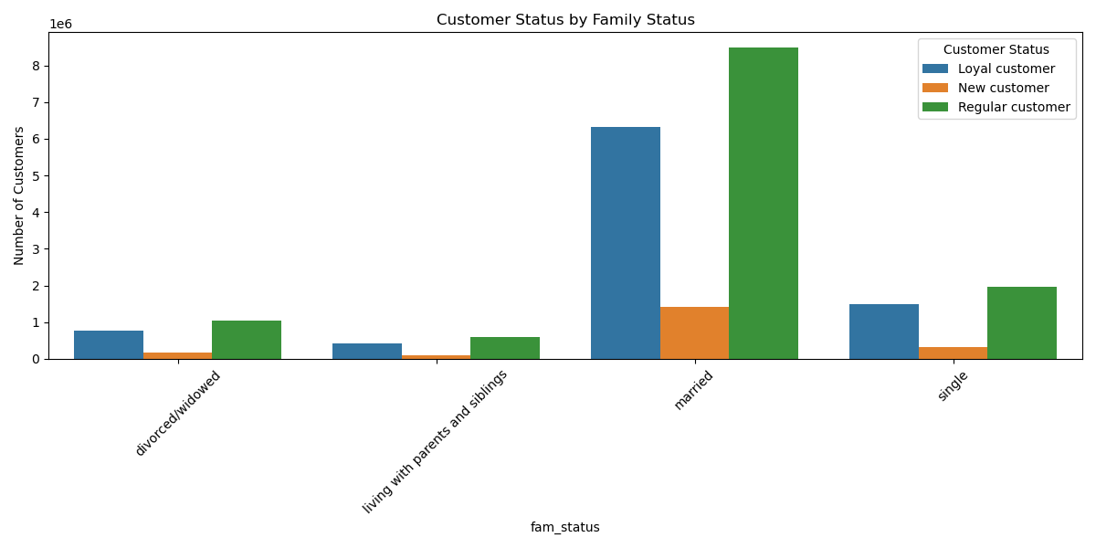
Key Questions 8 + 9 | Is there a connection between age and family status in terms of ordering habits ?

 | What different classifications does the demographic information suggest ? Age ? Income ? Certain types of goods ? Family status ?

 | Answer:
 | 1st chart: Customer status by family status
 | → most customers are married, regardless of customer status !

 | 2nd chart: Family status by region
 | → regional distribution regarding family status is showing a similar pattern
 | compared to the regional distribution of customer status/customer profile
 | → there's a concentration of customers in the South, regardless of family status !

 | 3rd chart: Relationship/correlation of income and age
 | → an increase in income is found by the age of 40

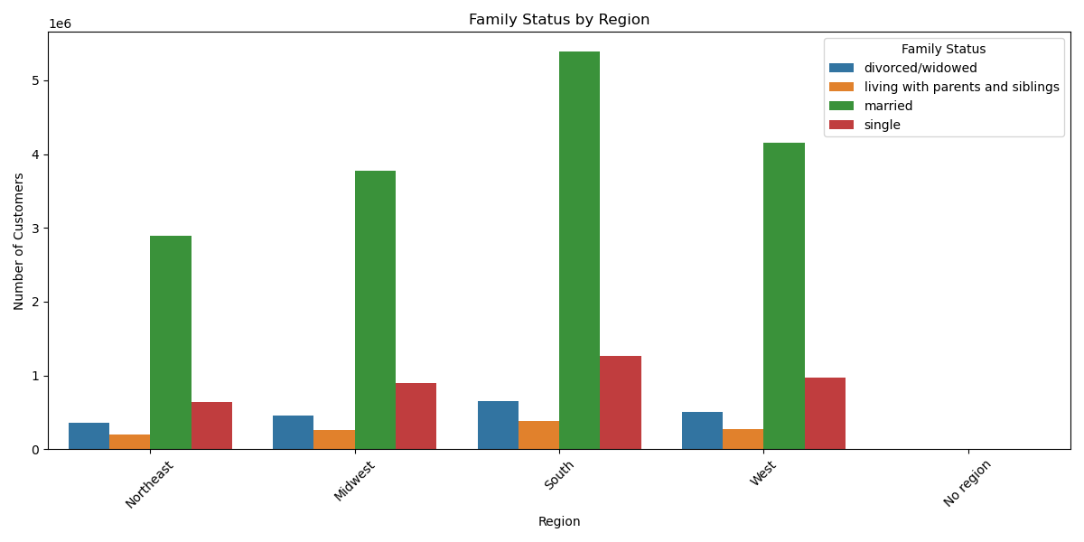
 | age income expenditure mean min max mean min max mean min max customer_profile High profile customer 56.919343 30.0 81.0 118029.041321 26249.0 407316.0 472.837532 124.5 2465.1 Low profile customer 45.375328 18.0 81.0 95269.264012 25911.0 593901.0 170.230973 5.0 2465.1 Other 55.465817 30.0 81.0 106719.704715 25903.0 584097.0 171.299440 5.0 2405.7 |  | 2nd chart: Family status by region
 | Comment: High profile, loyal and frequent customers have the highest income as well as expenditure !
 | In addition, the average age of high profile customers is the highest with almost 57 !
 | loyalty_flag Loyal customer 49.536486 18.0 81.0 100322.346799 25955.0 593901.0 271.557705 5.0 2465.1 New customer 49.546779 18.0 81.0 97681.257304 25903.0 590790.0 50.881861 5.0 250.0 Regular customer 49.400122 18.0 81.0 99978.492585 25972.0 591089.0 115.198368 5.0 1000.0
 | order_frequency Frequent customer 49.492908 18.0 81.0 100089.546939 25911.0 593901.0 198.968922 5.0 2465.1 Non-frequent customer 49.464255 18.0 81.0 99323.711122 25903.0 593901.0 92.289382 5.0 2107.0 Regular customer 49.373137 18.0 81.0 99711.317228 25903.0 593901.0 126.710465 5.0 2425.0

 | 3rd chart: Relationship/correlation of income and age:

Key Question 10 | What differences can you find in ordering habits of different customer profiles ? Consider the price of orders, the frequency of orders, the products customers are ordering and anything else you can think of

 | Answer: |  |  |  | Answer:
 | A) High profile customers are defined as follows: age over 30, an income of minimum 3000, number of dependants less than or equal to 1 AND |  |  |  | B) High spenders are defined by average product prices above 10
 | of those ordering one or more of the top 10 most expensive products |  |  |  | → most high spenders are just regular customers !
 | → regional distribution of those is similar to the other customer groups, with peak concentration in the South !

 |  |  | A) Customer profile by region |  | B) Spending habits by customer status

 | customer_profile High profile customer Low profile customer Other Region Northeast 927 2442853 1649770 Midwest 1357 3163420 2234922 South 1846 4612645 3074966 West 1412 3515281 2397952 No region 0 0 0 |  |  |  | average_price High spender Low spender No spending loyalty_flag Loyal customer 2910454 6074576 42885 New customer 653451 1338891 10108 Regular customer 3929078 8079004 58904
 |  |  |  | 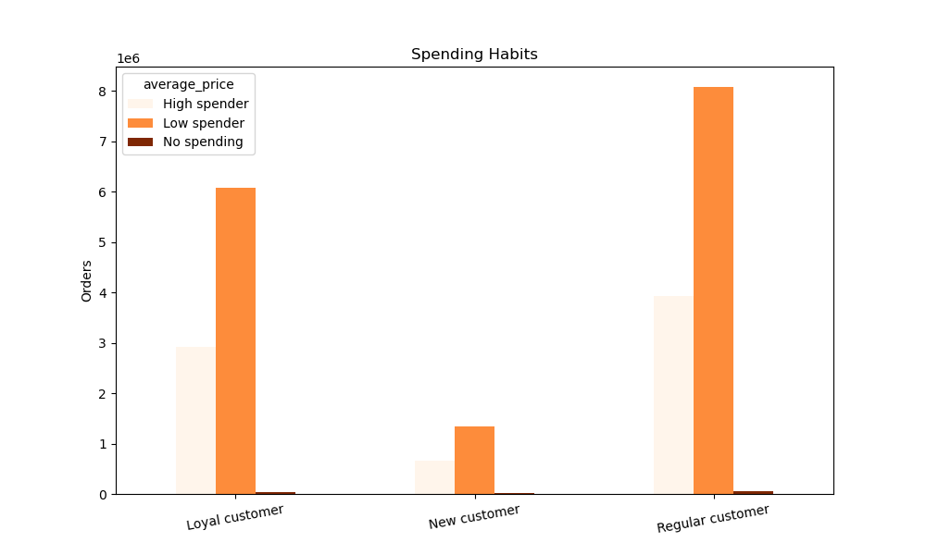

 | Main Recommendations:
 | 1) Customers over 40, in particular high profilers, loyal and frequent customers, primarily married and
 | concentrated in the South should be targeted with marketing campaigns
 | as these customers make up for a big part of the profit !
 | 2) In addition, ads should be adjusted for those days of the week, primarily during the week, and
 | periods of the day when order frequency is low !
 | 3) Most high spenders are regular customers !

